F-14 Presets
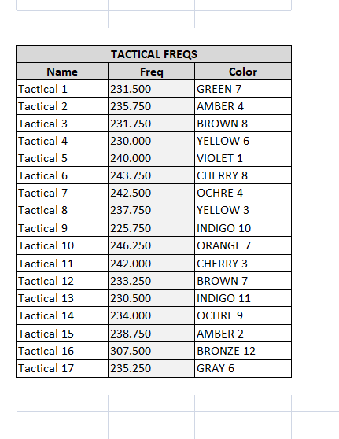
F-14B presets OPAC v1.0

AN/ARC-159 PILOT |  |  |  | AN/ARC-182 RIO
225.000-399.975 MHz |  |  |  | 30-88 | 108-156 | 156-174 | 225-399.975 MHz
1 |  | 225 | FLIGHT 1 | 1 |  | 309.100 | CVN TWR/LSO
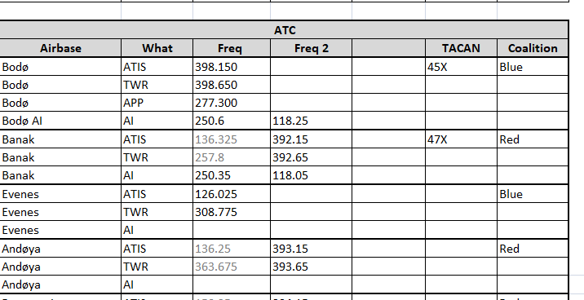
2 |  | 258 | FLIGHT 2 | 2 |  | 309.200 | CVN MARSHALL
3 |  | 260 | FLIGHT 3 | 3 | COPPER 6 | 309.500 | CVN AI - do not use
4 |  | 270 | FLIGHT 4 | 4 | SILVER 12 | 282.5 | RECOVERY TANKER
5 |  | 255 | FLIGHT 5 | 5 |  | 392.15 | BANAK ATIS
6 | GREEN 4 | 229.000 | in flight report | 6 |  | 392.65 | BANAK TWR
7 | MAROON 10 | 226.500 | TACTICAL 1 | 7 |  | 277.300 | BODO APPROACH
8 |  | 257 | TACTICAL 2 | 8 | AMBER 2 | 238.750 | RANGE 33
9 |  | 253 | RESERVED | 9 |  | 253 | RESERVED - RANGE
10 |  | 263 | RESERVED | 10 | BLUE 3 | 237.000 | Check-in / DARKSTAR
11 |  | 267 | SECONDARY 1 | 11 |  | 267 | RESERVED
12 |  | 254 | SECONDARY 2 | 12 | GREEN 4 | 229.000 | in flight report
13 |  | 264 | SECONDARY 3 | 13 | MAROON 10 | 226.500 | TACTICAL 1
14 |  | 266 | SECONDARY 4 | 14 |  | 266 | TACTICAL 2
15 |  | 265 | SECONDARY 5 | 15 | GREY 2 | 248.000 | CSAR
16 | GREY 2 | 248.000 | CSAR | 16 | LEMON 7 | 236.500 | ALERT
17 | LEMON 7 | 236.500 | ALERT | 17 | PURPLE 1 | 248.500 | ADMIN
18 | PURPLE 1 | 248.500 | ADMIN | 18 | WHITE 11 | 235.000 | AIR REQUEST NET
19 | WHITE 11 | 235.000 | AIR REQUEST NET | 19 | PINK 12 | 289.000 | AR301
20 |  | 269 | FREE | 20 | ORANGE 12 | 288.000 | AR302
SUPPLEMENTAL |  |  |  | 21 | OLIVE 12 | 287.000 | AR303
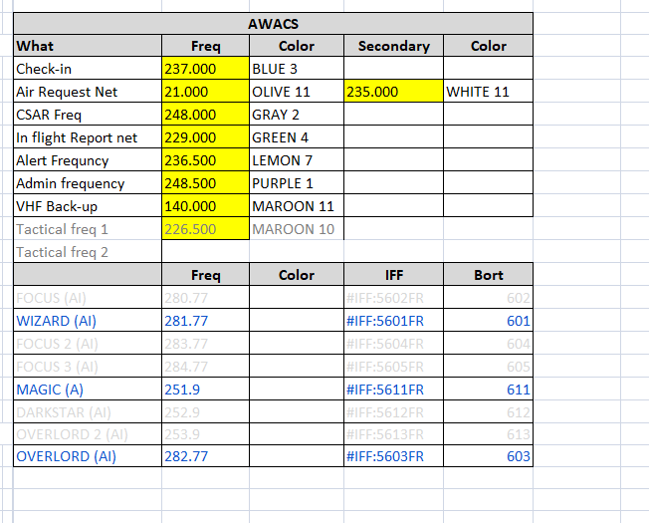
 |  |  |  | 22 | OCHRE 12 | 286.000 | AR304
 |  | 251.9 | MAGIC (A) | 23 | RED 12 | 281.500 | AR305
 |  | 281.77 | WIZARD(AI) | 24 | INDIGO 11 | 230.500 | RANGE 31
 |  | 282.77 | OVERLORD (AI) | 25 | OCHRE 9 | 234.000 | RANGE 32
 |  |  |  | 26 | AMBER 2 | 238.750 | RANGE 33
 |  |  |  | 27 | BRONZE 12 | 307.500 | RANGE 34
 |  |  |  | 28 | MAROON 12 | 285.000 | AR 501 / 64Y
 |  |  |  | 29 | PURPLE 12 | 280.500 | AR 502 / 65Y
 |  |  |  | 30 | CHERRY 12 | 285.500 | AR 503 / 47X

